01
程序加载的过程：

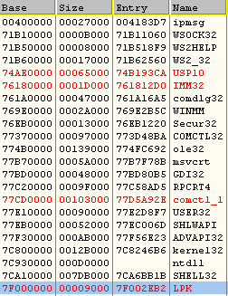
00000000

400000 | 大小为ImageSize
 | 27000

10000000
20000000
71B10000 | ker32

71B50000

800000000

 | 高2G 内核使用

FFFFFFFF

特别说明：

1、一般情况下，EXE都是可以按照ImageBase的地址进行加载的.因为Exe拥有自己独立的4GB 的虚拟内存空间
但DLL 不是 DLL是有EXE使用它，才加载到相关EXE的进程空间的.
exe的重定向表被擦除了，也没影响。

2、为了提高搜索的速度，模块间地址也是要对齐的 模块地址对齐为10000H 也就是64K

